Sheet1
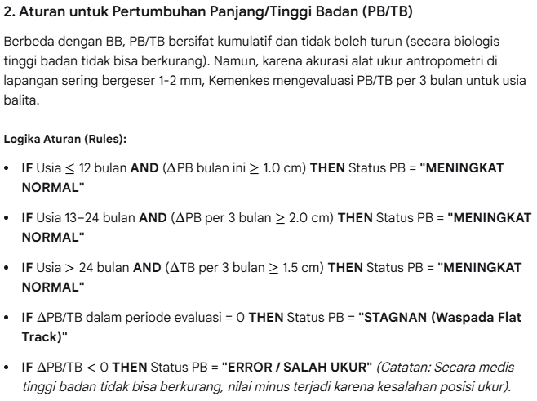
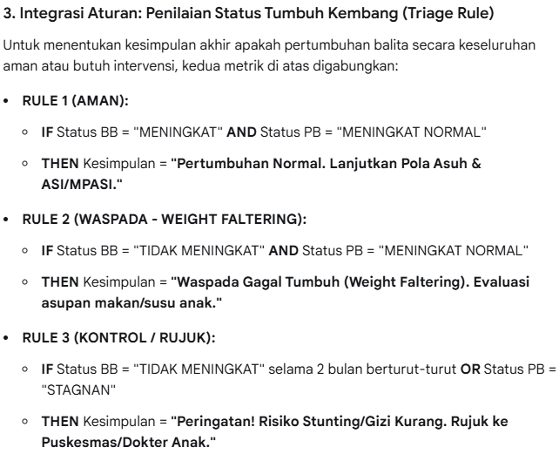
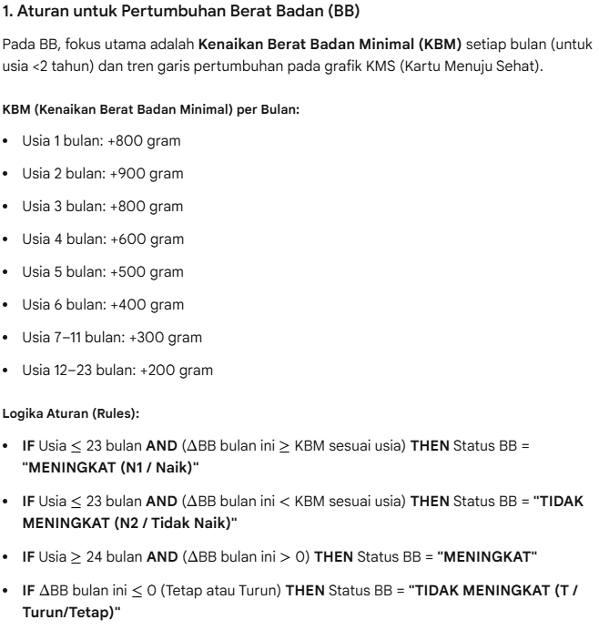
1. Tabel Metriks Anak Laki-Laki (0–5 Tahun)
Usia | Berat Badan Normal (kg) | Panjang / Tinggi Badan Normal (cm)
0 Bulan (Lahir) | 2.5 – 4.4 | 46.1 – 53.7
6 Bulan | 6.4 – 9.8 | 63.6 – 71.6
12 Bulan (1 Tahun) | 7.7 – 12.0 | 71.0 – 80.5
24 Bulan (2 Tahun) | 9.7 – 15.3 | 81.7 – 93.9
36 Bulan (3 Tahun) | 11.3 – 18.3 | 88.7 – 103.5
48 Bulan (4 Tahun) | 12.7 – 21.2 | 94.9 – 111.7
60 Bulan (5 Tahun) | 14.1 – 24.2 | 100.7 – 119.2

2. Tabel Metriks Anak Perempuan (0–5 Tahun)
Usia | Berat Badan Normal (kg) | Panjang / Tinggi Badan Normal (cm)
0 Bulan (Lahir) | 2.4 – 4.2 | 45.4 – 52.9
6 Bulan | 5.7 – 9.3 | 61.5 – 70.0
12 Bulan (1 Tahun) | 7.0 – 11.5 | 68.9 – 79.2
24 Bulan (2 Tahun) | 9.0 – 14.8 | 80.0 – 92.9
36 Bulan (3 Tahun) | 10.8 – 18.1 | 87.4 – 102.7
48 Bulan (4 Tahun) | 12.3 – 21.5 | 94.1 – 111.1
60 Bulan (5 Tahun) | 13.7 – 24.9 | 99.9 – 118.9

